F1
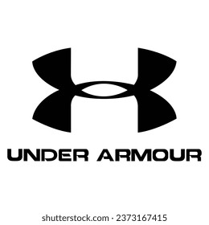

 |  |  |  |  |  |  |  |  |  |  |  |  |  | 0
PHOTO | BRAND | REFERENCE | ITEM-NAME | COLOR | GENDER | SEASON | SCALE | AVAILABILITY | U/P | QTY | DELIVERY | RETAIL PRICE | PRICE | ORDER
 | UNDERARMOUR | 3023741-001 | UA MICRO G VALSETZ MID | BLACK/BLACK/JETGRAY | MENS | SS23 | M51 | 3 | 12 | 36 | Ready for delivery at the brand's warehouse | $123.95 | $73.30
 | UNDERARMOUR | 3023741-200 | UA MICRO G VALSETZ MID | COYOTE/COYOTE/COYOTE | MENS | SS23 | M2U | 1 | 12 | 12 | Ready for delivery at the brand's warehouse | $123.95 | $73.30
 | UNDERARMOUR | 3023741-200 | UA MICRO G VALSETZ MID | COYOTE/COYOTE/COYOTE | MENS | SS23 | M51 | 3 | 12 | 36 | Ready for delivery at the brand's warehouse | $123.95 | $73.30
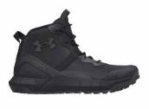 | UNDERARMOUR | 3023747-001 | UA MICRO G VALSETZ ZIP MID | BLACK/BLACK/JETGRAY | MENS | SS23 | M2U | 6 | 12 | 72 | Ready for delivery at the brand's warehouse | $123.95 | $77.20
 | UNDERARMOUR | 3023747-001 | UA MICRO G VALSETZ ZIP MID | BLACK/BLACK/JETGRAY | MENS | SS23 | M49 | 3 | 12 | 36 | Ready for delivery at the brand's warehouse | $123.95 | $77.20
 | UNDERARMOUR | 3025578-001 | "UA STELLAR G2 6""" | BLACK/BLACK/PITCH GRAY | MENS | FW22 | M49 | 8 | 12 | 96 | Ready for delivery at the brand's warehouse | $116.95 | $70.60
 | UNDERARMOUR | 3025579-001 | "UA STELLAR G2 6"" SIDE ZIP" | BLACK/BLACK/PITCH GRAY | MENS | FW22 | M49 | 6 | 12 | 72 | Ready for delivery at the brand's warehouse | $121.95 | $74.30
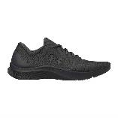 | UNDERARMOUR | 3024134-002 | UA MOJO 2 | BLACK/BLACK/BLACK | MENS | SS23 | M2U | 4 | 12 | 48 | Ready for delivery at the brand's warehouse | $49.95 | $34.70
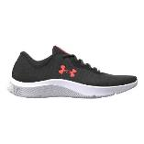 | UNDERARMOUR | 3024134-006 | UA MOJO 2 | BLACK/BLACK/AFTER BURN | MENS | SS23 | M2U | 5 | 12 | 60 | Ready for delivery at the brand's warehouse | $49.95 | $34.90
 | UNDERARMOUR | 3024186-102 | UA CHARGED BANDIT TR 2 | JET GRAY/BLACK/LIME SURGE | MENS | SS23 | M49 | 1 | 12 | 12 | Ready for delivery at the brand's warehouse | $87.95 | $53.40
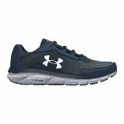 | UNDERARMOUR | 3024590-400 | UA CHARGED ASSERT 9 | ACADEMY/WHITE/WHITE | MENS | SS23 | M2U | 3 | 12 | 36 | Ready for delivery at the brand's warehouse | $67.95 | $40.70
 | UNDERARMOUR | 3024590-400 | UA CHARGED ASSERT 9 | ACADEMY/WHITE/WHITE | MENS | SS23 | M49 | 6 | 12 | 72 | Ready for delivery at the brand's warehouse | $67.95 | $40.70
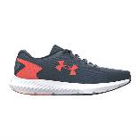 | UNDERARMOUR | 3024877-404 | UA CHARGED ROGUE 3 | DOWNPOUR GRAY/AFTER BURN/AFTER | MENS | SS23 | M49 | 2 | 12 | 24 | Ready for delivery at the brand's warehouse | $72.95 | $44.80
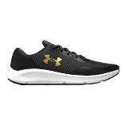 | UNDERARMOUR | 3024878-005 | UA CHARGED PURSUIT 3 | BLACK/BLACK/METALLIC GOLD | MENS | SS23 | M2U | 11 | 12 | 132 | Ready for delivery at the brand's warehouse | $67.95 | $39.90
 | UNDERARMOUR | 3024878-005 | UA CHARGED PURSUIT 3 | BLACK/BLACK/METALLIC GOLD | MENS | SS23 | M49 | 3 | 12 | 36 | Ready for delivery at the brand's warehouse | $67.95 | $39.90
 | UNDERARMOUR | 3024880-002 | UA PHADE RN 2 | BLACK/BLACK/BLACK | MENS | SS23 | M2U | 1 | 12 | 12 | Ready for delivery at the brand's warehouse | $45.95 | $34.50
 | UNDERARMOUR | 3024880-002 | UA PHADE RN 2 | BLACK/BLACK/BLACK | MENS | SS23 | M49 | 3 | 12 | 36 | Ready for delivery at the brand's warehouse | $45.95 | $34.50
 | UNDERARMOUR | 3024883-002 | UA SURGE 3 | BLACK/BLACK/BLACK | MENS | SS23 | M49 | 1 | 12 | 12 | Ready for delivery at the brand's warehouse | $58.95 | $38.30
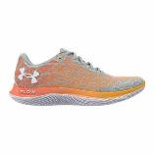 | UNDERARMOUR | 3024903-302 | UA FLOW VELOCITI WIND 2 | ILLUSION GREEN/PANIC ORANGE/WH | MENS | FW22 | M2U | 1 | 12 | 12 | Ready for delivery at the brand's warehouse | $147.95 | $81.30
 | UNDERARMOUR | 3024903-302 | UA FLOW VELOCITI WIND 2 | ILLUSION GREEN/PANIC ORANGE/WH | MENS | FW22 | M49 | 5 | 12 | 60 | Ready for delivery at the brand's warehouse | $147.95 | $81.30
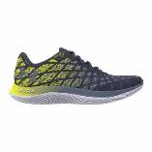 | UNDERARMOUR | 3024903-500 | UA FLOW VELOCITI WIND 2 | TEMPERED STEEL/YELLOW RAY/AURO | MENS | FW22 | M2U | 2 | 12 | 24 | Ready for delivery at the brand's warehouse | $147.95 | $81.00
 | UNDERARMOUR | 3024903-500 | UA FLOW VELOCITI WIND 2 | TEMPERED STEEL/YELLOW RAY/AURO | MENS | FW22 | M49 | 1 | 12 | 12 | Ready for delivery at the brand's warehouse | $147.95 | $81.00
 | UNDERARMOUR | 3025420-402 | UA CHARGED ESCAPE 4 | BLUE MIRAGE/BLACK/LIME SURGE | MENS | SS23 | M49 | 4 | 12 | 48 | Ready for delivery at the brand's warehouse | $96.95 | $54.10
 | UNDERARMOUR | 3025420-402 | UA CHARGED ESCAPE 4 | BLUE MIRAGE/BLACK/LIME SURGE | MENS | SS23 | M51 | 3 | 12 | 36 | Ready for delivery at the brand's warehouse | $96.95 | $54.10
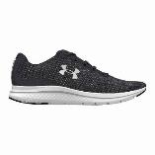 | UNDERARMOUR | 3025421-001 | UA CHARGED IMPULSE 3 | BLACK/BLACK/METALLIC SILVER | MENS | SS23 | M49 | 2 | 12 | 24 | Ready for delivery at the brand's warehouse | $74.95 | $46.10
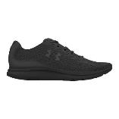 | UNDERARMOUR | 3025421-003 | UA CHARGED IMPULSE 3 | BLACK/BLACK/BLACK | MENS | SS23 | M49 | 4 | 12 | 48 | Ready for delivery at the brand's warehouse | $74.95 | $46.10
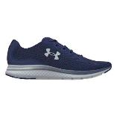 | UNDERARMOUR | 3025421-500 | UA CHARGED IMPULSE 3 | SONAR BLUE/BLACK/GRAY MIST | MENS | SS23 | M2U | 2 | 12 | 24 | Ready for delivery at the brand's warehouse | $74.95 | $49.90
 | UNDERARMOUR | 3025516-002 | UA HOVR PHANTOM 3 | BLACK/BLACK/BLACK | MENS | FW22 | M49 | 1 | 12 | 12 | Ready for delivery at the brand's warehouse | $134.95 | $72.80
 | UNDERARMOUR | 3025516-002 | UA HOVR PHANTOM 3 | BLACK/BLACK/BLACK | MENS | SS23 | 12 | 2 | 1 | 2 | Ready for delivery at the brand's warehouse | $134.95 | $76.00
 | UNDERARMOUR | 3025516-002 | UA HOVR PHANTOM 3 | BLACK/BLACK/BLACK | MENS | SS23 | M2U | 2 | 12 | 24 | Ready for delivery at the brand's warehouse | $134.95 | $76.00
 | UNDERARMOUR | 3025516-002 | UA HOVR PHANTOM 3 | BLACK/BLACK/BLACK | MENS | SS23 | M49 | 2 | 12 | 24 | Ready for delivery at the brand's warehouse | $134.95 | $76.00
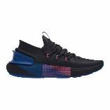 | UNDERARMOUR | 3025516-005 | UA HOVR PHANTOM 3 | BLACK/BLACK/VERSA BLUE | MENS | FW22 | M49 | 2 | 12 | 24 | Ready for delivery at the brand's warehouse | $158.95 | $73.60
 | UNDERARMOUR | 3025516-104 | UA HOVR PHANTOM 3 | WHITE/WHITE/BLACK | MENS | SS23 | M49 | 2 | 12 | 24 | Ready for delivery at the brand's warehouse | $134.95 | $76.70
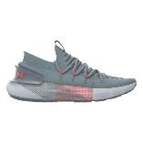 | UNDERARMOUR | 3025516-400 | UA HOVR PHANTOM 3 | HAR BLU/GRAY MIST/AFTER BURN | MENS | SS23 | M2U | 2 | 12 | 24 | Ready for delivery at the brand's warehouse | $134.95 | $75.90
 | UNDERARMOUR | 3025516-400 | UA HOVR PHANTOM 3 | HAR BLU/GRAY MIST/AFTER BURN | MENS | SS23 | M49 | 7 | 12 | 84 | Ready for delivery at the brand's warehouse | $134.95 | $75.90
 | UNDERARMOUR | 3025522-001 | UA HOVR PHANTOM 3 STORM | BLACK/BLACK/BLACK | MENS | FW22 | M2U | 4 | 12 | 48 | Ready for delivery at the brand's warehouse | $141.95 | $80.50
 | UNDERARMOUR | 3025522-001 | UA HOVR PHANTOM 3 STORM | BLACK/BLACK/BLACK | MENS | FW22 | M49 | 4 | 12 | 48 | Ready for delivery at the brand's warehouse | $141.95 | $80.50
 | UNDERARMOUR | 3025522-001 | UA HOVR PHANTOM 3 STORM | BLACK/BLACK/BLACK | MENS | FW22 | M51 | 4 | 12 | 48 | Ready for delivery at the brand's warehouse | $141.95 | $80.50
 | UNDERARMOUR | 3025522-102 | UA HOVR PHANTOM 3 STORM | JET GRAY/BLACK/LIME SURGE | MENS | SS23 | W33 | 1 | 12 | 12 | Ready for delivery at the brand's warehouse | $150.95 | $84.00
 | UNDERARMOUR | 3025522-102 | UA HOVR PHANTOM 3 STORM | JET GRAY/BLACK/LIME SURGE | MENS | SS23 | W35 | 1 | 12 | 12 | Ready for delivery at the brand's warehouse | $150.95 | $84.00
 | UNDERARMOUR | 3025522-800 | UA HOVR PHANTOM 3 STORM | PANIC ORANGE/PANIC ORANGE/PANI | MENS | FW22 | M49 | 4 | 12 | 48 | Ready for delivery at the brand's warehouse | $141.95 | $81.50
 | UNDERARMOUR | 3025523-101 | UA CHARGED ROGUE 3 STORM | JET GRAY/HALO GRAY/ORANGE BLAS | MENS | SS23 | M49 | 8 | 12 | 96 | Ready for delivery at the brand's warehouse | $83.95 | $51.60
 | UNDERARMOUR | 3025531-001 | UA HOVR PHANTOM 3 DOTD | BLACK/INTENSITY/BLACK | MENS | FW22 | M2U | 3 | 12 | 36 | Ready for delivery at the brand's warehouse | $141.95 | $81.80
 | UNDERARMOUR | 3025531-001 | UA HOVR PHANTOM 3 DOTD | BLACK/INTENSITY/BLACK | MENS | FW22 | M49 | 9 | 12 | 108 | Ready for delivery at the brand's warehouse | $141.95 | $81.80
 | UNDERARMOUR | 3025531-001 | UA HOVR PHANTOM 3 DOTD | BLACK/INTENSITY/BLACK | MENS | FW22 | M51 | 4 | 12 | 48 | Ready for delivery at the brand's warehouse | $141.95 | $81.80
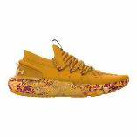 | UNDERARMOUR | 3025531-800 | UA HOVR PHANTOM 3 DOTD | ORANGE SHOCK/CALYPSO/PEACH ICE | MENS | FW22 | M49 | 1 | 12 | 12 | Ready for delivery at the brand's warehouse | $141.95 | $82.80
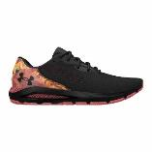 | UNDERARMOUR | 3025569-001 | UA HOVR SONIC 5 DOTD | BLACK/CALYPSO/BLACK | MENS | FW22 | M49 | 1 | 12 | 12 | Ready for delivery at the brand's warehouse | $114.95 | $68.70
 | UNDERARMOUR | 3025569-001 | UA HOVR SONIC 5 DOTD | BLACK/CALYPSO/BLACK | MENS | FW22 | M51 | 1 | 12 | 12 | Ready for delivery at the brand's warehouse | $114.95 | $68.70
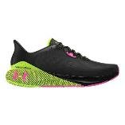 | UNDERARMOUR | 3025650-005 | UA HOVR MACHINA 3 | BLACK/LIME SURGE/REBEL PINK | MENS | SS23 | M49 | 1 | 12 | 12 | Ready for delivery at the brand's warehouse | $130.95 | $68.70
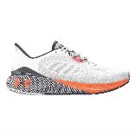 | UNDERARMOUR | 3025650-110 | UA HOVR MACHINA 3 | WHITE/TUX PURPLE/ORANGE BLAST | MENS | SS23 | M49 | 2 | 12 | 24 | Ready for delivery at the brand's warehouse | $130.95 | $68.70
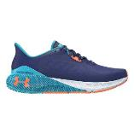 | UNDERARMOUR | 3025650-501 | UA HOVR MACHINA 3 | SONAR BLUE/BLUE SURF/ORANGE BL | MENS | SS23 | M49 | 3 | 12 | 36 | Ready for delivery at the brand's warehouse | $130.95 | $68.50
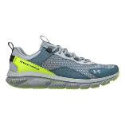 | UNDERARMOUR | 3025750-103 | UA CHARGED VERSSERT SPKLE | MOD GRAY/LIME SURGE/BLACK | MENS | SS23 | M2U | 1 | 12 | 12 | Ready for delivery at the brand's warehouse | $72.95 | $43.60
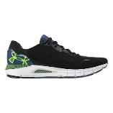 | UNDERARMOUR | 3026121-002 | UA HOVR SONIC 6 | BLACK/BLUE MIRAGE/LIME SURGE | MENS | SS23 | M49 | 7 | 12 | 84 | Ready for delivery at the brand's warehouse | $112.95 | $64.00
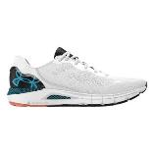 | UNDERARMOUR | 3026121-102 | UA HOVR SONIC 6 | WHITE/BLACK/BLUE SURF | MENS | SS23 | M49 | 2 | 12 | 24 | Ready for delivery at the brand's warehouse | $112.95 | $64.00
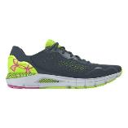 | UNDERARMOUR | 3026121-400 | UA HOVR SONIC 6 | DWN GRAY/LIME SURGE/REBEL PNK | MENS | SS23 | M49 | 6 | 12 | 72 | Ready for delivery at the brand's warehouse | $112.95 | $65.00
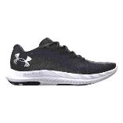 | UNDERARMOUR | 3026135-001 | UA CHARGED BREEZE 2 | BLACK/JET GRAY/WHITE | MENS | SS23 | M49 | 2 | 12 | 24 | Ready for delivery at the brand's warehouse | $85.95 | $50.00
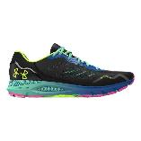 | UNDERARMOUR | 3026217-001 | UA HOVR SONIC 6 SPD OD | BLACK/BLACK/LIME SURGE | MENS | SS23 | M2U | 2 | 12 | 24 | Ready for delivery at the brand's warehouse | $116.95 | $69.60
 | UNDERARMOUR | 3026217-001 | UA HOVR SONIC 6 SPD OD | BLACK/BLACK/LIME SURGE | MENS | SS23 | M49 | 1 | 12 | 12 | Ready for delivery at the brand's warehouse | $116.95 | $69.60
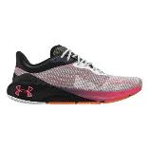 | UNDERARMOUR | 3026236-001 | UA HOVR MACHINA BREEZE CN-BLK | BLACK/WHITE/PINK SHOCK | MENS | SS23 | M49 | 4 | 12 | 48 | Ready for delivery at the brand's warehouse | $152.95 | $78.50
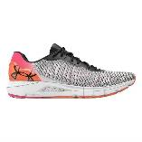 | UNDERARMOUR | 3026237-001 | UA HOVR SONIC 6 BRZ | BLACK/WHITE/BLACK | MENS | SS23 | M2U | 3 | 12 | 36 | Ready for delivery at the brand's warehouse | $114.95 | $72.20
 | UNDERARMOUR | 3026237-001 | UA HOVR SONIC 6 BRZ | BLACK/WHITE/BLACK | MENS | SS23 | M49 | 1 | 12 | 12 | Ready for delivery at the brand's warehouse | $114.95 | $72.20
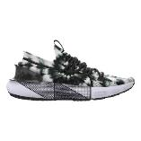 | UNDERARMOUR | 3026348-101 | UA HOVR PHANTOM 3 DYED | WHITE / BLACK / BLACK | MENS | SS23 | M2U | 4 | 12 | 48 | Ready for delivery at the brand's warehouse | $143.95 | $81.60
 | UNDERARMOUR | 3026348-101 | UA HOVR PHANTOM 3 DYED | WHITE / BLACK / BLACK | MENS | SS23 | M49 | 5 | 12 | 60 | Ready for delivery at the brand's warehouse | $143.95 | $81.60
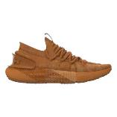 | UNDERARMOUR | 3026348-802 | UA HOVR PHANTOM 3 DYED | HO ORGN/HO ORGN/HO ORGN | MENS | SS23 | M2U | 2 | 12 | 24 | Ready for delivery at the brand's warehouse | $143.95 | $82.20
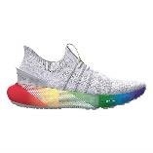 | UNDERARMOUR | 3026350-100 | UA HOVR PHANTOM 3 SLIP PRIDE | WHITE/MOD GRAY/BLACK | MENS | SS23 | M49 | 2 | 12 | 24 | Ready for delivery at the brand's warehouse | $143.95 | $83.20
 | UNDERARMOUR | 3026350-100 | UA HOVR PHANTOM 3 SLIP PRIDE | WHITE/MOD GRAY/BLACK | MENS | SS23 | W33 | 3 | 12 | 36 | Ready for delivery at the brand's warehouse | $143.95 | $83.20
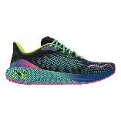 | UNDERARMOUR | 3026497-001 | HOVR MACHINA 4 SD | BLACK/BLACK/LIME SURGE | MENS | SS23 | M2U | 1 | 12 | 12 | Ready for delivery at the brand's warehouse | $160.95 | $74.70
 | UNDERARMOUR | 3026497-001 | HOVR MACHINA 4 SD | BLACK/BLACK/LIME SURGE | MENS | SS23 | M49 | 2 | 12 | 24 | Ready for delivery at the brand's warehouse | $160.95 | $74.70
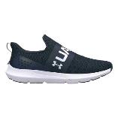 | UNDERARMOUR | 3026506-400 | UA SURGE 3 SLIP | ACADEMY/ACADEMY/WHITE | MENS | SS23 | M2U | 2 | 12 | 24 | Ready for delivery at the brand's warehouse | $58.95 | $38.80
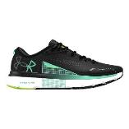 | UNDERARMOUR | 3026545-002 | UA HOVR INFINITE 5 | BLACK/WHITE/GREEN BREEZE | MENS | SS23 | M49 | 1 | 12 | 12 | Ready for delivery at the brand's warehouse | $127.95 | $70.10
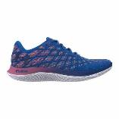 | UNDERARMOUR | 3026579-400 | UA FLOW VELOCITI WIND 2 RNAW | VERSA BLUE/PACE PINK/BAUHAUS B | MENS | FW22 | M2U | 1 | 12 | 12 | Ready for delivery at the brand's warehouse | $147.95 | $81.30
 | UNDERARMOUR | 3026579-400 | UA FLOW VELOCITI WIND 2 RNAW | VERSA BLUE/PACE PINK/BAUHAUS B | MENS | FW22 | M49 | 6 | 12 | 72 | Ready for delivery at the brand's warehouse | $147.95 | $81.30
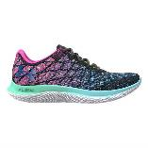 | UNDERARMOUR | 3026796-001 | FLOW VELOCITI WN2S | BLACK/BLUE FOAM/ROYAL | MENS | SS23 | M49 | 3 | 12 | 36 | Ready for delivery at the brand's warehouse | $152.95 | $78.00
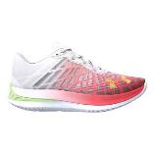 | UNDERARMOUR | 3026801-101 | UA FLOW VELOCITI ELITE | WHITE/BETA/QUIRKY LIME | MENS | SS23 | M49 | 3 | 12 | 36 | Ready for delivery at the brand's warehouse | $227.95 | $163.80
 | UNDERARMOUR | 3026801-101 | UA FLOW VELOCITI ELITE | WHITE/BETA/QUIRKY LIME | MENS | SS23 | W33 | 3 | 12 | 36 | Ready for delivery at the brand's warehouse | $227.95 | $163.80
 | UNDERARMOUR | 3026801-300 | UA FLOW VELOCITI ELITE | AQUA FOAM/LIME SURGE/AQUA FOAM | MENS | SS23 | M49 | 2 | 12 | 24 | Ready for delivery at the brand's warehouse | $227.95 | $165.50
 | UNDERARMOUR | 3026801-300 | UA FLOW VELOCITI ELITE | AQUA FOAM/LIME SURGE/AQUA FOAM | MENS | SS23 | W33 | 2 | 12 | 24 | Ready for delivery at the brand's warehouse | $227.95 | $165.50
 | UNDERARMOUR | 3026953-001 | UA HOVR PHANTOM 3 BHM | BLACK/CRUISE GOLD/HENDRIX | MENS | SS23 | M49 | 1 | 12 | 12 | Ready for delivery at the brand's warehouse | $147.95 | $86.00
 | UNDERARMOUR | 3026953-001 | UA HOVR PHANTOM 3 BHM | BLACK/CRUISE GOLD/HENDRIX | MENS | SS23 | M51 | 1 | 12 | 12 | Ready for delivery at the brand's warehouse | $147.95 | $86.00
 | UNDERARMOUR | 3026953-001 | UA HOVR PHANTOM 3 BHM | BLACK/CRUISE GOLD/HENDRIX | MENS | SS23 | W33 | 2 | 12 | 24 | Ready for delivery at the brand's warehouse | $147.95 | $86.00
 | UNDERARMOUR | 3026953-001 | UA HOVR PHANTOM 3 BHM | BLACK/CRUISE GOLD/HENDRIX | MENS | SS23 | W35 | 1 | 12 | 12 | Ready for delivery at the brand's warehouse | $147.95 | $86.00
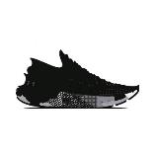 | UNDERARMOUR | 3027040-001 | UA HOVR PHANTOM 3 OPS | BLACK/WHITE/JET GRAY | MENS | SS23 | M2U | 1 | 12 | 12 | Ready for delivery at the brand's warehouse | $147.95 | $81.30
 | UNDERARMOUR | 3027040-001 | UA HOVR PHANTOM 3 OPS | BLACK/WHITE/JET GRAY | MENS | SS23 | M51 | 1 | 12 | 12 | Ready for delivery at the brand's warehouse | $147.95 | $81.30
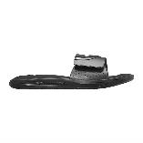 | UNDERARMOUR | 3022711-003 | UA M IGNITE VI SL | BLACK/BLACK/WHITE | MENS | SS22 | 10 | 8 | 1 | 8 | Ready for delivery at the brand's warehouse | $34.95 | $23.20
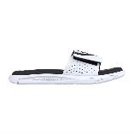 | UNDERARMOUR | 3022711-100 | UA M IGNITE VI SL | WHITE/BLACK/BLACK | MENS | SS22 | 10 | 196 | 1 | 196 | Ready for delivery at the brand's warehouse | $34.95 | $23.90
 | UNDERARMOUR | 3022711-100 | UA M IGNITE VI SL | WHITE/BLACK/BLACK | MENS | SS22 | 11 | 33 | 1 | 33 | Ready for delivery at the brand's warehouse | $34.95 | $23.90
 | UNDERARMOUR | 3022711-100 | UA M IGNITE VI SL | WHITE/BLACK/BLACK | MENS | SS22 | 12 | 88 | 1 | 88 | Ready for delivery at the brand's warehouse | $34.95 | $23.90
 | UNDERARMOUR | 3022711-100 | UA M IGNITE VI SL | WHITE/BLACK/BLACK | MENS | SS22 | 9 | 63 | 1 | 63 | Ready for delivery at the brand's warehouse | $34.95 | $23.90
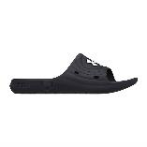 | UNDERARMOUR | 3023758-001 | UA M LOCKER IV SL | BLACK/BLACK/WHITE | MENS | SS23 | M5 | 58 | 12 | 696 | Ready for delivery at the brand's warehouse | $27.95 | $19.50
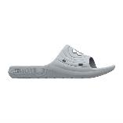 | UNDERARMOUR | 3023758-100 | UA M LOCKER IV SL | MODGRAY/MODGRAY/WHITE | MENS | SS23 | M5 | 15 | 12 | 180 | Ready for delivery at the brand's warehouse | $27.95 | $19.60
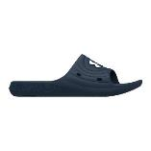 | UNDERARMOUR | 3023758-401 | UA M LOCKER IV SL | ACADEMY/ACADEMY/WHITE | MENS | SS23 | M5 | 47 | 12 | 564 | Ready for delivery at the brand's warehouse | $27.95 | $19.60
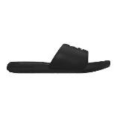 | UNDERARMOUR | 3023761-004 | UA M ANSA FIX SL | BLACK/BLACK/WHITE | MENS | SS23 | M5 | 29 | 12 | 348 | Ready for delivery at the brand's warehouse | $32.95 | $22.00
 | UNDERARMOUR | 3023761-103 | UA M ANSA FIX SL | WHITE/WHITE/BLACK | MENS | SS23 | M5 | 7 | 12 | 84 | Ready for delivery at the brand's warehouse | $32.95 | $22.00
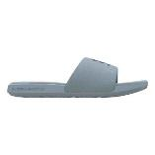 | UNDERARMOUR | 3023761-404 | UA M ANSA FIX SL | HAR BLU/HAR BLU/METAL DWN GRAY | MENS | SS23 | M5 | 32 | 12 | 384 | Ready for delivery at the brand's warehouse | $32.95 | $22.10
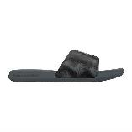 | UNDERARMOUR | 3024434-018 | UA M ANSA GRAPHIC | BLK/PITCH GRAY/METAL SILVER | MENS | SS23 | M5 | 12 | 12 | 144 | Ready for delivery at the brand's warehouse | $32.95 | $23.10
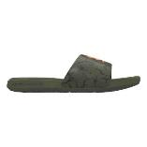 | UNDERARMOUR | 3024434-305 | UA M ANSA GRAPHIC | MARINE OD GREEN/MARINE OD GREE | MENS | SS23 | M5 | 28 | 12 | 336 | Ready for delivery at the brand's warehouse | $32.95 | $23.50
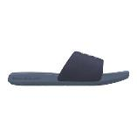 | UNDERARMOUR | 3024435-500 | UA M ANSA GRAPHIC LOGO | TEMPEREDSTEEL/AURORAPURPLE/AUR | MENS | FW22 | M5 | 5 | 12 | 60 | Ready for delivery at the brand's warehouse | $29.95 | $21.90
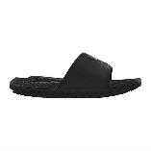 | UNDERARMOUR | 3026034-001 | UA U ROCK 3 SL | BLACK/BLACK/PITCH GRAY | MENS | SS23 | M5 | 7 | 12 | 84 | Ready for delivery at the brand's warehouse | $58.95 | $34.10
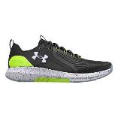 | UNDERARMOUR | 3023703-006 | UA CHARGED COMMIT TR 3 | BLACK/LIME SURGE/WHITE | MENS | SS23 | M2U | 1 | 12 | 12 | Ready for delivery at the brand's warehouse | $87.95 | $54.80
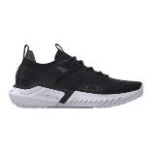 | UNDERARMOUR | 3025435-003 | UA PROJECT ROCK 5 | BLACK/WHITE/PITCH GRAY | MENS | SS23 | M2U | 1 | 12 | 12 | Ready for delivery at the brand's warehouse | $152.95 | $85.50
 | UNDERARMOUR | 3025435-003 | UA PROJECT ROCK 5 | BLACK/WHITE/PITCH GRAY | MENS | SS23 | M49 | 3 | 12 | 36 | Ready for delivery at the brand's warehouse | $152.95 | $85.50
 | UNDERARMOUR | 3025435-003 | UA PROJECT ROCK 5 | BLACK/WHITE/PITCH GRAY | MENS | SS23 | M51 | 3 | 12 | 36 | Ready for delivery at the brand's warehouse | $152.95 | $85.50
 | UNDERARMOUR | 3025435-103 | UA PROJECT ROCK 5 | GRAY MATTER/BLACK/BLUE SURF | MENS | SS23 | M49 | 3 | 12 | 36 | Ready for delivery at the brand's warehouse | $152.95 | $93.90
 | UNDERARMOUR | 3025435-104 | UA PROJECT ROCK 5 | WHITE/COASTAL TEAL/AFTER BURN | MENS | SS23 | M49 | 1 | 12 | 12 | Ready for delivery at the brand's warehouse | $152.95 | $86.60
 | UNDERARMOUR | 3025565-103 | UA HOVR RISE 4 | ASH TAUPE/METAL ASH TAUPE/BLK | MENS | SS23 | M51 | 3 | 12 | 36 | Ready for delivery at the brand's warehouse | $98.95 | $56.50
 | UNDERARMOUR | 3025568-103 | UA TRIBASE VITAL | FOG/GILDED YELLOW/ORGN BLAST | MENS | SS23 | M2U | 1 | 12 | 12 | Ready for delivery at the brand's warehouse | $92.95 | $55.70
 | UNDERARMOUR | 3025568-103 | UA TRIBASE VITAL | FOG/GILDED YELLOW/ORGN BLAST | MENS | SS23 | M49 | 3 | 12 | 36 | Ready for delivery at the brand's warehouse | $92.95 | $55.70
 | UNDERARMOUR | 3026021-001 | UA TRIBASE REIGN 5 | BLACK/BLACK/JET GRAY | MENS | SS23 | M2U | 1 | 12 | 12 | Ready for delivery at the brand's warehouse | $118.95 | $69.50
 | UNDERARMOUR | 3026021-001 | UA TRIBASE REIGN 5 | BLACK/BLACK/JET GRAY | MENS | SS23 | M49 | 1 | 12 | 12 | Ready for delivery at the brand's warehouse | $118.95 | $69.50
 | UNDERARMOUR | 3026021-400 | UA TRIBASE REIGN 5 | DWN GRY/AFT BURN/ORGN TROPIC | MENS | SS23 | M2U | 6 | 12 | 72 | Ready for delivery at the brand's warehouse | $118.95 | $69.90
 | UNDERARMOUR | 3026021-400 | UA TRIBASE REIGN 5 | DWN GRY/AFT BURN/ORGN TROPIC | MENS | SS23 | M49 | 9 | 12 | 108 | Ready for delivery at the brand's warehouse | $118.95 | $69.90
 | UNDERARMOUR | 3026106-001 | UA FLOW DYNAMIC | BLACK/BLACK/WHITE | MENS | SS23 | M49 | 2 | 12 | 24 | Ready for delivery at the brand's warehouse | $127.95 | $76.10
 | UNDERARMOUR | 3026106-101 | UA FLOW DYNAMIC | GRAY MIST/SO BLU/ORGN BLAST | MENS | SS23 | M49 | 1 | 12 | 12 | Ready for delivery at the brand's warehouse | $127.95 | $77.00
 | UNDERARMOUR | 3026106-400 | UA FLOW DYNAMIC | DWN GRAY/BLK/AFTER BURN | MENS | SS23 | M2U | 3 | 12 | 36 | Ready for delivery at the brand's warehouse | $127.95 | $76.60
 | UNDERARMOUR | 3026106-400 | UA FLOW DYNAMIC | DWN GRAY/BLK/AFTER BURN | MENS | SS23 | M49 | 1 | 12 | 12 | Ready for delivery at the brand's warehouse | $127.95 | $76.60
 | UNDERARMOUR | 3026212-001 | UA FLOW DYNAMIC PRIDE | BLACK/BLACK/WHITE | MENS | SS23 | M49 | 3 | 12 | 36 | Ready for delivery at the brand's warehouse | $150.95 | $86.30
 | UNDERARMOUR | 3026212-001 | UA FLOW DYNAMIC PRIDE | BLACK/BLACK/WHITE | MENS | SS23 | W33 | 2 | 12 | 24 | Ready for delivery at the brand's warehouse | $150.95 | $86.30
 | UNDERARMOUR | 3026212-001 | UA FLOW DYNAMIC PRIDE | BLACK/BLACK/WHITE | MENS | SS23 | W35 | 5 | 12 | 60 | Ready for delivery at the brand's warehouse | $150.95 | $86.30
 | UNDERARMOUR | 3026214-100 | UA TRIBASE REIGN 5 Q2 | ASH TAUPE/BLACK/FOG | MENS | SS23 | M49 | 4 | 12 | 48 | Ready for delivery at the brand's warehouse | $127.95 | $72.00
 | UNDERARMOUR | 3026462-001 | UA PROJECT ROCK BSR 3 | BLACK/BLACK/WHITE | MENS | SS23 | M51 | 2 | 12 | 24 | Ready for delivery at the brand's warehouse | $92.95 | $58.20
 | UNDERARMOUR | 3026462-102 | UA PROJECT ROCK BSR 3 | GRAY MATTER/BLACK/ORANGE BLAST | MENS | SS23 | M49 | 4 | 12 | 48 | Ready for delivery at the brand's warehouse | $92.95 | $59.20
 | UNDERARMOUR | 3026462-800 | UA PROJECT ROCK BSR 3 | AFTER BURN/BLACK/COASTAL TEAL | MENS | SS23 | M2U | 7 | 12 | 84 | Ready for delivery at the brand's warehouse | $92.95 | $59.00
 | UNDERARMOUR | 3025589-600 | UA LEADOFF LOW RM | RED/WHITE/STADIUMRED | MENS | FW22 | M49 | 30 | 12 | 360 | Ready for delivery at the brand's warehouse | $69.95 | $39.30
 | UNDERARMOUR | 3024260-005 | UA JET '21 | BLACK/WHITE/LIME SURGE | MENS | SS23 | M49 | 1 | 12 | 12 | Ready for delivery at the brand's warehouse | $70.95 | $45.90
 | UNDERARMOUR | 3025616-003 | UA LOCKDOWN 6 | BLACK/BLACK/METALLIC GOLD | MENS | SS23 | M49 | 2 | 12 | 24 | Ready for delivery at the brand's warehouse | $72.95 | $45.50
 | UNDERARMOUR | 3025616-600 | UA LOCKDOWN 6 | RED/BLACK/WHITE | MENS | SS23 | M49 | 1 | 12 | 12 | Ready for delivery at the brand's warehouse | $72.95 | $45.50
 | UNDERARMOUR | 3026271-100 | CURRY 10 SPLASH PARTY | WHITE/ELECTRIC BLUE/METALLIC S | MENS | SS23 | M2U | 3 | 12 | 36 | Ready for delivery at the brand's warehouse | $165.95 | $102.20
 | UNDERARMOUR | 3026271-100 | CURRY 10 SPLASH PARTY | WHITE/ELECTRIC BLUE/METALLIC S | MENS | SS23 | M49 | 4 | 12 | 48 | Ready for delivery at the brand's warehouse | $165.95 | $102.20
 | UNDERARMOUR | 3026272-700 | CURRY 10 BANG BANG | STEELTOWN GOLD/BLACK/STARFRUIT | MENS | SS23 | M2U | 4 | 12 | 48 | Ready for delivery at the brand's warehouse | $165.95 | $98.20
 | UNDERARMOUR | 3026272-700 | CURRY 10 BANG BANG | STEELTOWN GOLD/BLACK/STARFRUIT | MENS | SS23 | M49 | 2 | 12 | 24 | Ready for delivery at the brand's warehouse | $165.95 | $98.20
 | UNDERARMOUR | 3026273-602 | CURRY 10 GIRL DAD | PINK SHOCK / BLACK / METALLIC | MENS | SS23 | M49 | 3 | 12 | 36 | Ready for delivery at the brand's warehouse | $165.95 | $110.90
 | UNDERARMOUR | 3026274-101 | CURRY 10 YOUNG WOLF | MOD GRAY/BLACK/METALLIC GOLD | MENS | SS23 | M2U | 1 | 12 | 12 | Ready for delivery at the brand's warehouse | $165.95 | $105.40
 | UNDERARMOUR | 3026274-101 | CURRY 10 YOUNG WOLF | MOD GRAY/BLACK/METALLIC GOLD | MENS | SS23 | M49 | 3 | 12 | 36 | Ready for delivery at the brand's warehouse | $165.95 | $105.40
 | UNDERARMOUR | 3026278-400 | CURRY 1 LOW FLOTRO NM2 | STILL WATER/PINK SUGAR/PINK SU | MENS | SS23 | M49 | 4 | 12 | 48 | Ready for delivery at the brand's warehouse | $174.95 | $107.10
 | UNDERARMOUR | 3023741-001 | UA MICRO G VALSETZ MID | BLACK/BLACK/JET GRAY | MENS | FW23 | M2U | 7 | 12 | 84 | Ready for delivery at the brand's warehouse | $123.95 | $91.80
 | UNDERARMOUR | 3023741-001 | UA MICRO G VALSETZ MID | BLACK/BLACK/JET GRAY | MENS | FW23 | M49 | 20 | 12 | 240 | Ready for delivery at the brand's warehouse | $123.95 | $91.80
 | UNDERARMOUR | 3023741-001 | UA MICRO G VALSETZ MID | BLACK/BLACK/JET GRAY | MENS | FW23 | M51 | 3 | 12 | 36 | Ready for delivery at the brand's warehouse | $123.95 | $91.80
 | UNDERARMOUR | 3023741-200 | UA MICRO G VALSETZ MID | COYOTE/COYOTE/COYOTE | MENS | FW23 | M2U | 3 | 12 | 36 | Ready for delivery at the brand's warehouse | $123.95 | $91.80
 | UNDERARMOUR | 3023741-200 | UA MICRO G VALSETZ MID | COYOTE/COYOTE/COYOTE | MENS | FW23 | M49 | 12 | 12 | 144 | Ready for delivery at the brand's warehouse | $123.95 | $91.80
 | UNDERARMOUR | 3025577-100 | UA MG VALSETZ TREK MID L WP | JET GRAY/PEWTER/BLACK | MENS | FW23 | M2U | 3 | 12 | 36 | Ready for delivery at the brand's warehouse | $136.95 | $100.90
 | UNDERARMOUR | 3026136-002 | UA CHARGED MAVEN TRAIL | BLACK/MOD GRAY/WHITE | MENS | FW23 | M2U | 5 | 12 | 60 | Ready for delivery at the brand's warehouse | $87.95 | $66.50
 | UNDERARMOUR | 3026136-201 | UA CHARGED MAVEN TRAIL | BROWN CLAY/BROWN CLAY/TAHOE GO | MENS | FW23 | M2U | 4 | 12 | 48 | Ready for delivery at the brand's warehouse | $87.95 | $66.50
 | UNDERARMOUR | 3026136-201 | UA CHARGED MAVEN TRAIL | BROWN CLAY/BROWN CLAY/TAHOE GO | MENS | FW23 | M49 | 2 | 12 | 24 | Ready for delivery at the brand's warehouse | $87.95 | $66.50
 | UNDERARMOUR | 3026370-002 | UA CHARGED MAVEN TREK | BLACK/BLACK/PITCH GRAY | MENS | FW23 | M49 | 2 | 12 | 24 | Ready for delivery at the brand's warehouse | $101.95 | $76.60
 | UNDERARMOUR | 3024134-001 | UA MOJO 2 | BLACK/WHITE/WHITE | MENS | FW23 | M2U | 7 | 12 | 84 | Ready for delivery at the brand's warehouse | $49.95 | $39.90
...

